PROCESS
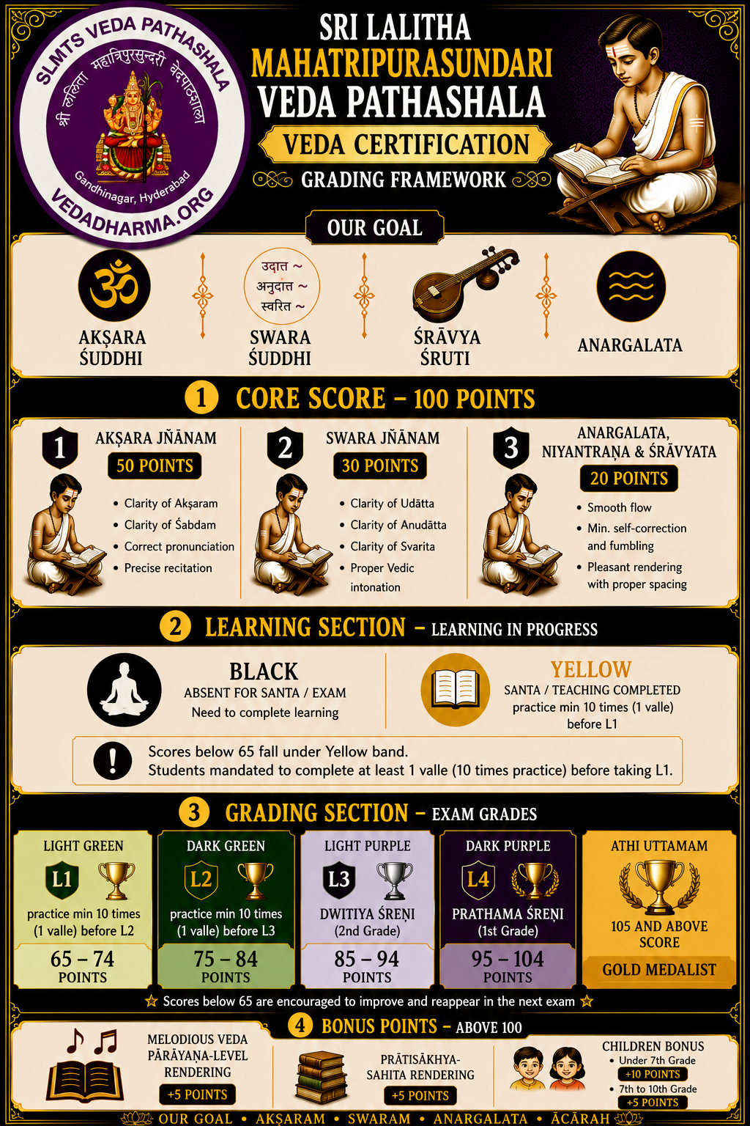
PERFORMANCE RATING SCALE
GURUVU GARU WILL USE HIS OWN DISCREETION IN APPLYING THIS RATING SCALE
BLACK (సంత) = Relearn Complete Chapter and Re-Assess with TA to get YELLOW/GREEN | Absent for Class/Exam (Santa Completed but Assessment not completed)
YELLOW (వల్లె) = Correct Mistakes and Re-Assess with TA to get GREEN | Akshara/Swara/Sruthi OVERALL ACCURACY is less than 65%. Correct Mistakes with TA and Re-Assess for L1 Exams
LIGHT GREEN (సాధన) = Continue Valle for L2 Exams | Akshara/Swara/Sruthi OVERALL ACCURACY between 65-75%. Correct Mistakes by Self Learning for L2 Exams
DARK GREEN (సాధన) = Continue Valle for L3 AAVARTHI Exams | Akshara/Swara/Sruthi OVERALL ACCURACY between 75-85%. Continue Valle to complete L3 Aavarthi to sit for Yearly Certiciation Exams with Ubhaya Guruvulu
PURPLE (పారాయణం) = CERT. Exam Passed & Parayanam Ready. YOGYATA PATRAM | Akshara/Swara/Sruthi OVERALL ACCURACY between 85-95% (DWITIYA) 95-100% (PRATHAMA). P = PARAYANAM READY & CERTIFICATION EXAM PASSED (Light Purple DWITIYA and Dark Purple PRATHAMA)

